Sheet1
QA |  |  |  |  |  |  |  |  |  |  | Dev
Bug ID | ModuleName | Build No | Description | TCID | Steps to replicate bug | Screenshot | Sevirity | Priority | Reported By | Assigned to | Resolution | Status | Fixed Date
ORHRM_001 | Orange HRM-MyInfo | 1 | Dashboard is displayed after login is successful instead of MyInfo page. | TC_MyInfo_001 | 1) Launch browser 2) Open URL "https://opensource-demo.orangehrmlive.com" 3) Provide valid ESS user name 4) Provide valid password 5) Click on Login button | 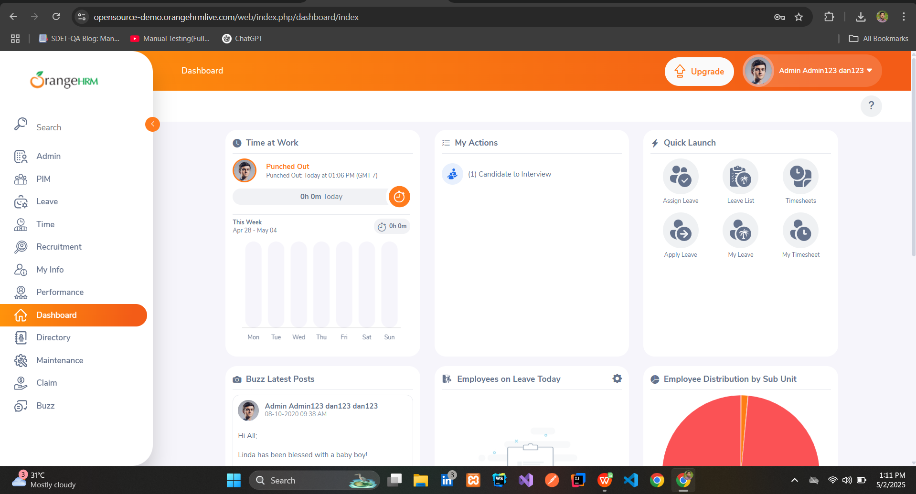 | S3 | P3 | Niloy | John | Accepted | InProgress
ORHRM_002 | Orange HRM-MyInfo | 1 | The invalid file format error message for invalid photographs is appearing after the upload is complete. | TC_MyInfo_008 | 1) Login to OrangeHRM as ESS user 2) Click on MyInfo tab 3) Click on the photograph at corner of the screen 4) Click "Browse" and then select a photograph from the relevant path 5) Click "Upload" once you have selected the picture | 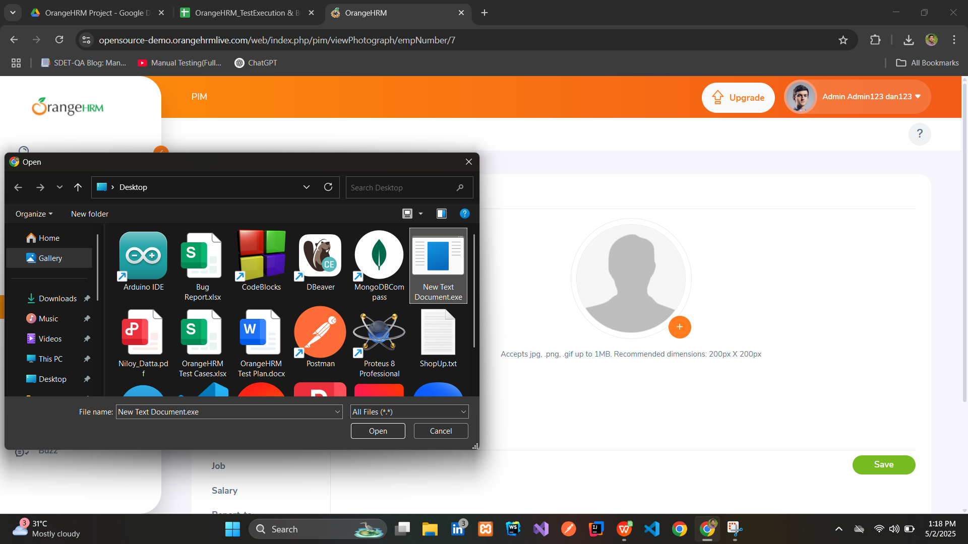 | S3 | P3 | Niloy | John | Accepted | Open

